Earnings
Trading Comparables Valuation

Workout
 | Using the financial statements extracts below calculate EBIT and EBITDA for FinePaper Inc.
 | Assume the company does not regularly dispose of PP&E.

 | Income statement
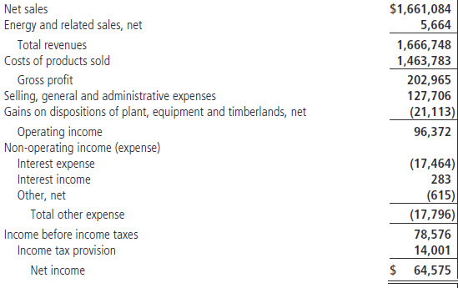

 | Cash flow statement
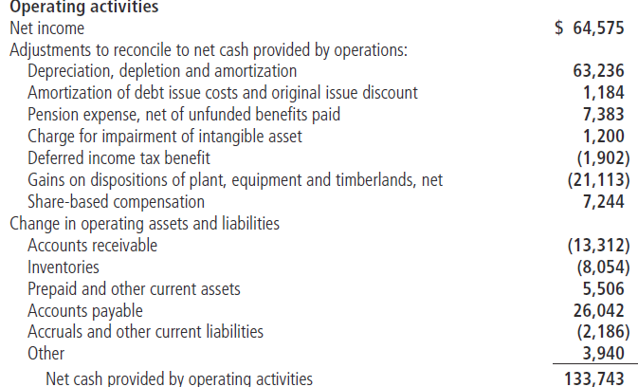

 | Operating income | 96,372.0
 | Gains on dispositions of PP&E | (21,113.0)
 | Impairment of intangible asset | 1,200.0
 | EBIT | 76,459.0

 | Depreciation, depletion and amortization | 63,236.0
 | EBITDA | 139,695.0

Workout
 | Using information below calculate EBIT and EBITDA for Timber Products Co.
 | Assume other operating expense (income) is non-recurring.

 | Depreciation and amortization | 308.0
 | Acquisition costs in SG&A | 25.0
 | Accelerated depreciation and amortization charge | 58.0

 | Accelerated depreciation and amortization charge is reported within depreciation, amortization and depletion.

 | Income statement
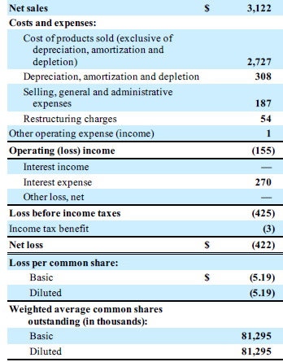

 | Operating profit | (155.0)
 | Other operating expense | 1.0
 | Restructuring charges | 54.0
 | Acquisition costs in SG&A | 25.0
 | Accelerated depreciation and amortization charge | 58.0
 | EBIT | (17.0)

 | Depreciation and amortization as reported | 308.0
 | Accelerated depreciation and amortization charge | (58.0)
 | EBITDA | 233.0

